DataComparison
RESULTS WITH DIFFERENT FEATURES |  |  |  |  |  |  |  |  | stuff from Mike, May 21: added "highest importance" subset of features generated from EDA, used downcasting and limited Cartesian Product inserts to conserve memory
TIME SERIES & STATS BASED FEATURES v1
v1.1 |  |  |  |  |  |  |  |  | v1.3 IPynb basic setup: |  |  |  |  |  |  |  |  |  |  |  | Most Important Features (roughly in order):
Data | TS & Stats Features v1.1 |  |  |  |  |  |  |  | EDA features: | month', 'shop_id', 'item_id', 'shop_catA', 'shop_catB', 'item_cat0', 'item_cat3', 'item_cat4', 'item_cluster', 'shop_test', 'item_test', 'shop_item_test' |  |  |  |  |  |  |  |  |  |  | item_sales_L1
Model | XGB |  |  |  | Coursera scores |  |  |  |  | (these come from sales_train_cln_mrg file, where outliers have been removed, and several shops have been removed or merged into others) |  |  |  |  |  |  |  |  |  |  | y_sales_L1 (y_sales=target)
R2 train | R2 Val | RMSE train | RMSE val |  | RMSE Test Public | RMSE Test Private | Coursera score |  |  | (also used sales_new and items_new and test_mrg data files to some extent in prepping the data for feed into model training) |  |  |  |  |  |  |  |  |  |  | shop_sales_L1
0.37376665839 | 0.23282544256 | 0.95231600814 | 0.94825013552 |  | 1.1 | 1.1 | 3/10 |  | Stats features: | 'y_sales' (= sum of sales by shop-item pair by month = prediction target), 'shop_sales', 'item_sales', 'item_cat0_sales', 'item_cat3_sales', 'item_cat4_sales', 'item_cluster_sales' |  |  |  |  |  |  |  |  |  |  | month
 |  |  |  |  |  |  |  |  |  | sum by month only (nothing like std or median or mean, and note that I dropped "price" as a feature altogether) |  |  |  |  |  |  |  |  |  |  | item_sales_L2
v1.2 |  |  |  |  |  |  |  |  | Lag Features: | 'y_sales_L1', 'shop_sales_L1', 'item_sales_L1', 'item_cat0_sales_L1', 'item_cat3_sales_L1', 'item_cat4_sales_L1', 'item_cluster_sales_L1' |  |  |  |  |  |  |  |  |  |  | item_id
Data | TS & Stats Features v1.2 (from date_block_num >= 20) - for more too large to process |  |  |  |  |  |  |  |  | and _L2, _L3 (simple time lags by month: 1, 2, 3 months of lag, no trends or other generated features) |  |  |  |  |  |  |  |  |  |  | y_sales_L2
Model | LightGBM |  |  |  | Coursera scores |  |  |  | Cart. Prod. Fill: | Correlated items / shops found for months 23 - 34; Cartesian product fill for months 20-33 (plus nLags before #20) |  |  |  |  |  |  |  |  |  |  | item_cat0 (original category)
R2 train | R2 Val | RMSE train | RMSE val |  | RMSE Test Public | RMSE Test Private | Coursera score |  | Train Data Cut: | Simply dispose of all rows before month 20 |  |  |  |  |  |  |  |  |  |  | item_cluster
0.4407036026 | 0.26514285318 | 0.93727953121 | 0.92806261589 | 5/10 |  |  | 3/10 |  | Sales Clip: | train/val/test sum per month features were clipped at 20 max before training, then predictions clipped again at 20 in train/val/test before computing R2 and RMSE |  |  |  |  |  |  |  |  |  |  | item_cat3_sales_L1
 |  |  |  |  |  |  |  |  | Train/Val Split: | train months 20 through 30; val months 31,32,33 |  |  |  |  |  |  |  |  |  |  | item_cluster_sales_L1
Data | TS & Stats Features v1.2 |  |  |  |  |  |  |  | Numerical Feed: | converted train/val/test X dataframes to np.float(32) before training |  |  |  |  |  |  |  |  |  |  | item_cat0_sales_L1
Model | LightGBM |  |  |  | Coursera scores |  |  |  |  |  |  |  |  |  |  |  |  |  |  |  | y_sales_L3
R2 train | R2 Val | RMSE train | RMSE val |  | RMSE Test Public | RMSE Test Private | Coursera score |  |  | Model / Hyperparameters | Training Time | R2 train | R2 val | RMSE train | RMSE val | Coursera Pub | Coursera Priv | Coursera Grade | trR2/CourPub | trRMSE/CourPub | shop_sales_L2
0.415 | 0.277 | 0.9203 | 0.9204 |  | 1.04 | 1.05 | 3/10 |  | 1. Parameters as above |  |  |  |  |  |  |  |  |  |  |  | item_sales_L3
 |  |  |  |  |  |  |  |  |  | LightGBM (defaults) | 49s (CPU) | 0.487 | 0.365 | 0.587 | 0.532 | 1.0066 | 1.0024 | 2020-05-10 | 0.4838 | 0.5832 | y_sales_L6

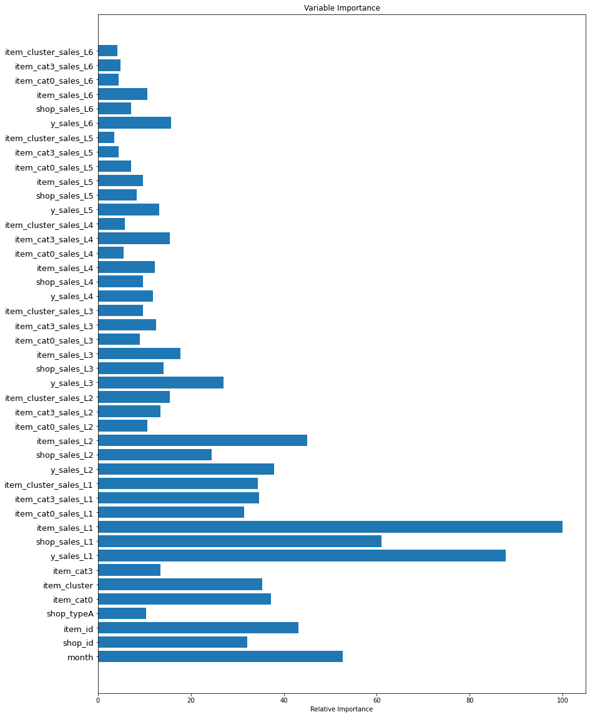
Data | TS & Stats v1.3 |  |  |  |  |  |  |  | 2. Same as #1, but used default .to_numpy() for numerical feed (most, if not all, inputs to model are uint8 or uint16)
Model | LightGBM |  |  |  | Coursera scores |  |  |  |  | LightGBM (defaults) | 56s (CPU) | 0.488 | 0.366 | 0.586 | 0.532 | 1.005 | 1.0018 | 2020-05-10 | 0.4856 | 0.5831
R2 train | R2 Val | RMSE train | RMSE val |  | RMSE Test Public | RMSE Test Private | Coursera score
0.46 | 0.3 | 0.88 | 0.9 |  | 0.985 | 0.979 | 8/10 |  | 3. Same as #2, but after computing y_test predictions, changed all predictions to be 0 in y_test for items that had 0 sales in months 28-33 inclusive
 |  |  |  |  |  |  |  |  |  | LightGBM (defaults) | 56s (CPU) | 0.488 | 0.366 | 0.586 | 0.532 | 1.0138 | 1.0106 | 2020-05-10 |  | n/a
Data | TS & Stats v1.4
Model | LightGBM |  |  |  | Coursera scores |  |  |  | 4. Same as #2, but train = 20 -32; val = 33; also changed pre-training clip to 250 for all sales_by_month (and lagged versions); still clipped at 20 before R2/RSME calculations
R2 train | R2 Val | RMSE train | RMSE val |  | RMSE Test Public | RMSE Test Private | Coursera score |  |  | LightGBM (defaults) | 45s (CPU) | 0.262 | 0.204 | 1.426 | 1.093 | 1.0161 | 1.0125 | 2020-05-10 | 0.2578 | 1.4034
0.514 | 0.39 | 0.839 | 0.841 |  | 0.986 | 0.98 | 8/10
 |  |  |  |  |  |  |  |  | 5. Same as #2, but different train/val ranges (train = 20 - 32; val = 33) (note: pre-training clip reverted back to 20 as in #2)
EDA/CATEGORICAL FEATURES |  |  |  |  |  |  |  |  |  | LightGBM (defaults) | 57s (CPU) | 0.482 | 0.289 | 0.574 | 0.572 | 1.0071 | 1.0049 | 2020-05-10 | 0.4786 | 0.5700
Data | Mike's EDA features (shop + item categories) - cleaned version (using items_new and shops_new)
Model | LightGBM |  |  |  | Coursera scores |  |  |  | 6. Same as #2, but different train/val ranges (train = 24-33, val = 33 (overlapping train))... idea is month 33 is critical train month for #34 predictions; start month excludes extremes from Christmas 2014
R2 train | R2 Val | RMSE train | RMSE val |  | RMSE Test Public | RMSE Test Private | Coursera score |  |  | LightGBM (defaults) | 37s (CPU) | 0.491 | 0.411 | 0.501 | 0.52 | 1.009 | 1.0085 | 2020-05-10 | 0.4866 | 0.4965
0.33415475066 | 0.24282222471 | 0.98261033078 | 0.93588726647 |  | 1.24 | 1.21 | 0/10
 |  |  |  |  |  |  |  |  | 7. Same as #6, but drop columns ['shop_typeB', 'shop_test', 'item_test', 'shop_item_test'] (forgot to drop item_cat4, so I didn't actually submit this one to Coursera grader)
 |  |  |  |  |  |  |  |  |  | LightGBM (defaults) | 35s (CPU) | 0.483 | 0.388 | 0.505 | 0.531
TS + CATEGORICAL FEATURES
Data | TS & Stats v1.5 + EDA v1 |  |  |  |  |  |  |  | 8. Like #2, but drop columns ['shop_typeB', 'shop_test', 'item_test', 'shop_item_test', 'item_cat4_Lxx'], train= 10-33 (more cartesian-product fill), val = 33; Lags = 1,2,3,4,5,6 months (not just 1,2,3)
Model | LightGBM |  |  |  |  |  |  |  |  | LightGBM (defaults) | 97s (CPU) | 0.474 | 0.354 | 0.581 | 0.521 | 1.0086 | 1.0062 | 2020-05-10 | 0.4700 | 0.5760
R2 train | R2 Val | RMSE train | RMSE val
0.52356122132 | 0.38674223768 | 0.8311860092 | 0.84225992314 |  |  |  |  |  | 9. Like #8, but train = 10-30, val=31,32,33; Lags = 1,2,3,4
 |  |  |  |  |  |  |  |  |  | LightGBM (defaults) | 77s (CPU) | 0.482 | 0.358 | 0.592 | 0.511 | 1.0112 | 1.009 | 2020-05-10 | 0.4767 | 0.5854
Data | TS & Stats v1.4 + EDA v1 |  |  |  | Coursera scores
Model | LightGBM |  |  |  | RMSE Test Public | RMSE Test Private | Coursera score |  | 10. Like #8, but train = 24-33, val=33; Lags = 1,2,3,4,5,6 |  | [See feature importance plot at right ===>> ]
R2 train | R2 Val | RMSE train | RMSE val |  |  |  |  |  |  | LightGBM (defaults) | 39s (CPU) | 0.486 | 0.399 | 0.481 | 0.502 | 1.0104 | 1.0069 | 2020-05-10 | 0.4810 | 0.4760
0.52692624823 | 0.40549521033 | 0.82824552704 | 0.82928209433 |  | 0.993458 | 0.988418 | 2020-08-10

Data | TS & Stats v1.4 + EDA v1 |  |  |  | Coursera scores
Model | LightGBM |  |  |  | RMSE Test Public | RMSE Test Private | Coursera score
R2 train | R2 Val | RMSE train | RMSE val
0.52692624823 | 0.40549521033 | 0.82824552704 | 0.82928209433 |  | 0.993458 | 0.988418 | 2020-08-10

Data | TS & Stats v1.4 + EDA v1 (cleaned version (using items_new and shops_new + "items/shops tested" variable)) |  |  |  | Coursera scores
Model | LightGBM |  |  |  | RMSE Test Public | RMSE Test Private | Coursera score
R2 train | R2 Val | RMSE train | RMSE val
0.55208976803 | 0.40996662541 | 0.80591671784 | 0.82615759207 |  | 0.975863 | 0.97599 | 2020-08-10

Data | TS & Stats v1.4 + EDA v1 + TS & Stats v2
Model | LightGBM |  |  |  | RMSE Test Public | RMSE Test Private | Coursera score | Note
 |  |  |  |  |  |  | 2020-08-10 | no RMSE improvement from best score

Data | TS & Stats v2
Model | LightGBM |  |  |  | RMSE Test Public | RMSE Test Private | Coursera score | Note
 |  |  |  |  |  |  | 2020-05-10

TS + CATEGORICAL WITH FEATURE SELECTION
data | TS v4 + eda v1 Feature selected
Model | LightGBM | Note
Coursera score
2020-05-10

data | TS v4 + eda v1 Feature selected + TS 2
Model | LightGBM
Coursera score | RMSE Test Public | RMSE Test Private
2020-08-10 | 0.984122 | 0.979712.

